Sheet1
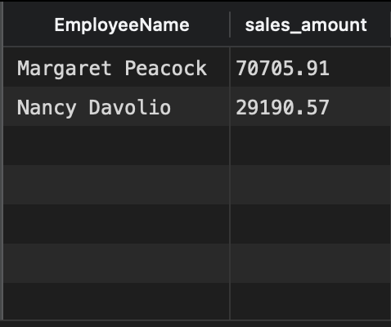
select (FirstName || LastName) as EmployeeName, round(sum(Price*Quantity), 2) as sales_amount
from suppliers s
inner join products p on s.SupplierID = p.SupplierID
inner join orderdetails od on cast(p.ProductID as int) = od.ProductID
inner join orders o on od.OrderID = cast(o.OrderID as int)
inner join employees e on o.EmployeeID = e.EmployeeID
where o.OrderDate like '%1997%'
group by (FirstName || LastName)
order by sales_amount desc
limit 2

